ILL Juv Loc
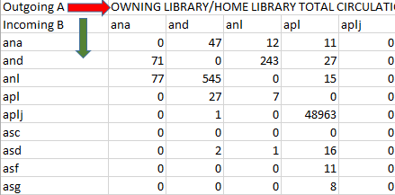

bml & bmlj
A | Outgoing Totals (Right) |  |  | 51241

B | Incoming Totals (Down) |  |  | 52990

C | Outgoing & Incoming meet |  |  | 40178

 | Formulas
 | A | - | C | = | 11,063 | OUTGOING
 | B | - | C | = | 12,812 | INCOMING

MaineCat
MAINECAT
OUTGOING | 66
INCOMING | 11

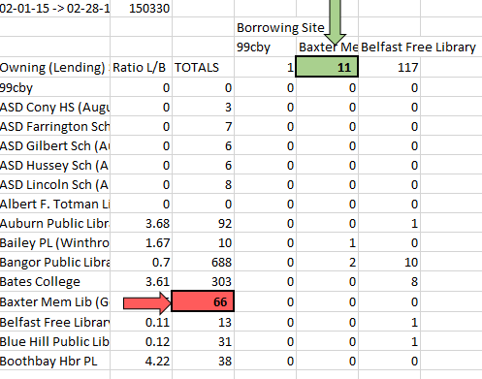

02-01-15 -> 02-28-15
 |  | Borrowing Site
 |  |  | Baxter Mem Lib (Gorham)
Owning (Lending) Site | Ratio L/B | TOTALS | 11
Baxter Mem Lib (Gorham) | 6 | 66 | 0

